Aquifer Buffering Capacity
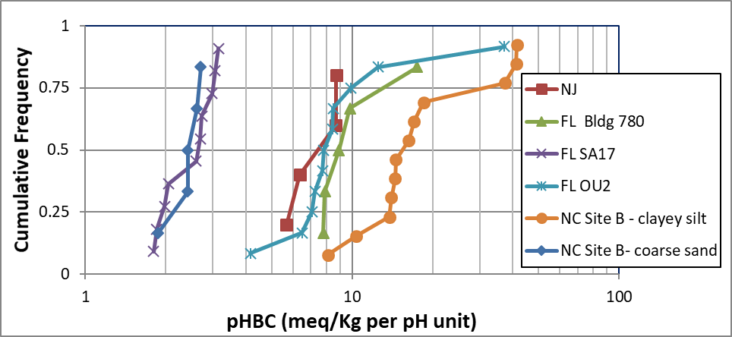
Aquifer buffering Capacity (meq/Kg per pH unit) from multiple sites
 |  |  |  |  |  |  |  |  |  | pHBC (meq/Kg/pH)
Site | Depth (ft) | Soil | Clay | D10 | D50 | CEC | OM | Initial Soil pH
Location |  | Description | % | (µm) | (µm) | (meq/100g) | (%) | DI | CaCl2 | DI | CaCl2
NC - Site A |  | grey coarse sand |  |  |  |  |  | 4.99 |  | 0.5
NC - Site A |  | orange fine sand |  |  |  |  |  | 4.99 |  | 3.4
NJ - SB 13 | 19 | silt/clay |  |  |  |  |  | 3.99 |  | 5.7
NJ - SB 11 | 21 | sand |  |  |  |  |  | 4.48 |  | 6.4
NJ - SB 12 | 17 | sand |  |  |  |  |  | 4.26 |  | 8.7
NJ - SB 11 | 19 | silt/clay |  |  |  |  |  | 3.69 |  | 8.7
FL Bldg 780 | 19 | fine sand | 1.4 | 37 | 141 | 16 | 0.5 | 4.71 | 4.12 | 7.8 | 7.6
FL Bldg 780 | 16 | fine sand | 2.9 | 10 | 116 | 14 | 0.4 | 4.73 | 4.13 | 7.9 | 8.6
FL Bldg 780 | 8 | fine sand | 1.5 | 99 | 159 | 2 | 0.5 | 5.05 | 4.47 | 8.9 | 10.3
FL Bldg 780 | 14 | fine sand |  | 22 | 130 | 12 | 0.5 | 4.51 | 3.97 | 9.8 | 8.8
FL Bldg 780 | 13 | clay/fine sand |  | 4 | 81 | 13 | 0.6 | 4.51 | 4.01 | 17.5 | 12.0
FL SA17 | 19 |  | 3.4 | 14 |  |  |  | 5.43 | 4.56 | 2.6 | 2.8
FL SA17 SB-2 | 47 |  | 1.6 | 168 | 263 | 4 | 0.3 | 4.88 |  | 3.0
FL SA17 SB-1 | 44 |  | 0.0 | 137 | 203 | 6 | 0.3 | 5.17 |  | 2.7
FL SA17 SB-2 | 23 |  | 0.0 | 172 | 320 | 3 | 0.3 | 4.87 |  | 2.7
FL SA17 | 35 |  | 2.8 | 33 |  |  |  | 4.59 | 4.27 | 3.2 | 3.9
FL SA17 SB-1 | 33 |  | 2.9 | 158 | 276 | 6 | 0.3 | 3.98 |  | 3.1
FL SA17 SB-1 | 42 |  | 1.7 | 161 | 251 | 11 | 0.4 | 4.51 |  | 4.2
FL SA17 SB-2 | 35 |  | 2.1 | 174 | 282 | 6 | 0.4 | 4.09 |  | 6.5
FL SA17 SB-2 | 33 |  | 2.2 | 147 | 267 | 3 | 0.3 | 4.59 |  | 7.3
FL SA17 SB-2 | 25 |  | 1.0 | 196 | 361 | 3 | 0.6 | 4.73 |  | 7.1
FL OU2 SB-3 | 18 |  | 31.1 | 0 | 4 | 6 | 0.9 | 4.97 |  | 7.8
FL OU2 SB-2 | 23 |  | 0.8 | 98 | 243 | 3 | 0.5 | 5.12 |  | 7.7
FL OU2 SB-2 | 19 |  | 2.8 | 69 | 308 | 9 | 0.9 | 5.3 |  | 9.9
FL OU2 SB-2 | 32 |  | 1.8 | 84 | 210 | 10 | 0.4 | 5.52 |  | 8.5
FL OU2 SB-2 | 24 |  | 0.8 | 121 | 256 | 3 | 0.5 | 5.21 |  | 8.4
FL OU2 SB-1 | 33 |  | 1.2 | 104 | 195 | 10 | 0.6 | 5.56 |  | 12.5
FL OU2 SB-1 | 24 |  | 1.2 | 90 | 256 | 4 | 0.6 | 5.21 |  | 37.2
FL OU2 SB-3 | 34 |  | 1.1 | 91 | 166 | 11 | 0.6 | 5.67 |  | 10.5
FL OU2 SB-3 | 23 |  | 1.6 | 84 | 243 | 4 | 0.5 | 5.38 |  | 10.5
FL OU2 34-37' | 35 |  | 2.5 | 23 |  |  |  | 5.96 | 5.23 | 12.5 | 18.7
FL OU2 37-40' | 38 |  | 3.6 | 7 |  |  |  | 5.99 | 5.87 | 37.2 | 47.3
NC Site B SB-69 |  | CS | 11.6 | 2 |  | 4 |  | 4.7 | 3.96 | 8.1 | 10.0
NC Site B SB-47 | 5 | CS |  |  |  |  |  | 5.435 |  | 10.4
NC Site B SB-68 |  | CS | 10.2 | 2 |  |  |  | 4.13 | 3.79 | 13.8 | 16.7
NC Site B SB-67 |  | CS | 8.1 | 3 |  |  |  | 4.19 | 3.62 | 14.0 | 18.4
NC Site B SB-48 | 11 | CS |  |  |  |  |  | 4.55 |  | 14.5
NC Site B SB-47 | 9 | CS |  |  |  |  |  | 5.36 |  | 14.6
NC Site B SB-47 | 11 | CS |  |  |  |  |  | 5.51 |  | 16.3
NC Site B SB-47 | 7 | CS |  |  |  |  |  | 5.310 |  | 17.0
NC Site B SB-70 |  | CS | 5.8 | 5 |  |  |  | 4.06 | 3.75 | 18.5 | 20.3
NC Site B SB-71 |  | CS | 11.9 | 2 |  |  |  | 4.15 | 3.59 | 37.3 | 37.5
NC Site B SB-48 | 9 | CS |  |  |  |  |  | 4.3 |  | 41.1
NC Site B SB-48 | 7 | CS |  |  |  |  |  | 4.205 |  | 41.5
NC Site B SB-47 | 19 | SG |  |  |  |  |  | 6.875 |  | 1.9
NC Site B SB-48 | 17 | SG |  |  |  |  |  | 5.515 |  | 2.4
NC Site B SB-48 | 21 | SG |  |  |  |  |  | 6.875 |  | 2.4
NC Site B SB-47 | 17 | SG |  |  |  |  |  | 6.355 |  | 2.6
NC Site B SB-48 | 19 | SG |  |  |  |  |  | 6.845 |  | 2.7

